Methodology
Calculator Methodology

Energy Star Monitors

The savings for this measure are derived from Mid-Atlantic TRM V10, under the measure Energy Star Office equipment
The savings are calculated in a Replace-on-Burnout scenario.
This protocol estimates savings for installing ENERGY STAR office equipment compared to standard efficiency equipment. The measurement of energy and demand savings is based on a deemed savings value multiplied by the quantity of the measure.

Energy Star Computers

The savings for this measure are derived from Mid-Atlantic TRM V10, under the measure Energy Star Office equipment
The savings are calculated in a Replace-on-Burnout scenario.
This protocol estimates savings for installing ENERGY STAR office equipment compared to standard efficiency equipment. The measurement of energy and demand savings is based on a deemed savings value multiplied by the quantity of the measure.

Energy Star Imaging Equipment

The savings for this measure are derived from the 2021 Pennsylvania TRM, under the measure Energy Star Office equipment
Office imaging equipment includes Fax Machine, Copier (Monochrome), Printer (Laser, monochrome), Multifunction devices.
The savings are calculated in a Replace-on-Burnout scenario.
This protocol estimates savings for installing ENERGY STAR office equipment compared to standard efficiency equipment. The measurement of energy and demand savings is based on a deemed savings value multiplied by the quantity of the measure.

Network Power Management

The deemed savings reported in this measure are derived from the 2021 Pennsylvania TRM, under the Office Equipment - Network Power Management Enabling.
Eligibility Criteria:
• The software should have wake-on-LAN capability to allow networked workstations to be remotely wakened from or placed into any power-saving mode and to remotely boot or shut down ACPI-compliant workstations. • The software should have the capability to give the IT administrator easily-accessible central control over the power management settings of networked workstations that optionally overrides settings made by users. • The software should be capable of applying specific power management policies to network groups, utilizing existing network grouping capabilities. • The software should be compatible with multiple operating systems and hardware configurations on the same network. • The software should have the capability to monitor workstation keyboard, mouse, CPU and disk activity in determining workstation idleness.

Uninterruptible Power Supply (UPS)

The savings for this measure are derived from California Municipal Utilities Association TRM (2017), under the measure Energy Star Uninterrupted Power Supply.
The savings are calculated in a natural replacement scenario.
Based on average efficiency gains of an ENERGY STAR UPS (3%–5%). Savings are calculated for the three DOE test sizes based on typical UPS loading and efficiency gains, then averaged together to arrive at a single savings estimate.
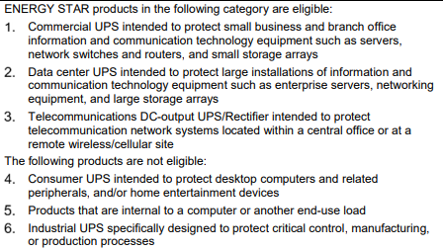

Smart Power Strip
The savings for this measure are derived from the Mid-Atlantic TRM V10, under the measure Tier 1 Advanced Power Strip
Includes the installation of a Current-Sensing Master/Controlled Advanced Power Strip (APS) in place of a standard "power strip", a device used to expand a single wall outlet into multiple outlets.
The savings are calculated in a Time-of-Sale scenario.
This protocol estimates savings for installing an advanced power strip compared to a standard power strip. The measurement of energy and demand savings is based on a deemed savings value multiplied by the quantity of the measure.

